Sheet1
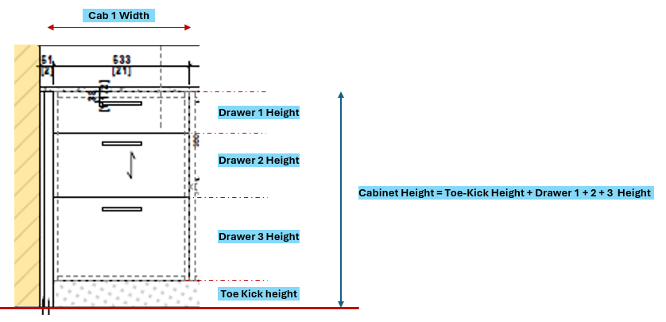
Wall left
Wall Right
A_Filler Left
A_Filler Right
A_Wall_2_Wall_Dim
A_CAB_1
A_CAB_2
A_CAB_3
A_CAB_4
A_CAB_5
A_CAB_6
A_CAB_7

Arch Drawing | Shp Drawing | Condition : 1 |  | Variables
A_Wall_2_Wall_Dim | S_Wall_2_Wall_Dim | if : |  | Field Dimension Between Walls : F_Wall_2_Wall_Dim | User Input
A_CAB_1 | S_CAB_1 | field dimension F_Wall_2_Wall_Dim > A_Wall_2_Wall_Dim |  | Filler_Width_Right | Calculated Value
A_CAB_2 | S_CAB_2 | then : |  | Filler_Width_Left | Calculated Value
A_CAB_3 | S_CAB_3 | Wall2Wall Dim_Diff = F_Wall_2_Wall_Dim - A_Wall_2_Wall_Dim = Filler_Width_Right + Filler_Width_Left |  | Filler_Width_Max | User Input / Global Input / Project Based Input
A_CAB_4 | S_CAB_4 | Note: |  | Filler_Width_Min | User Input / Global Input / Project Based Input
A_CAB_5 | S_CAB_5 | Unless otherwise noted, Filler_Width_Right = Filler_Width_Left
A_CAB_6 | S_CAB_6 | Wall2Wall_Dim_Diff > Filler_Width_Max X 2, then the extra width need to be distributed along the cabinets
A_CAB_7 | S_CAB_7 | 1. There are cabinets where widths cannot be adjusted like Sink Cabinets, Cabs with Equipment
A_Filler_Left | S_Filler_Left
A_Filler_Right | S_Filler_Right

Arch Drawing |  |  | Shp Drawing
A_CAB_1 |  |  | S_CAB_1

